Henderson Population
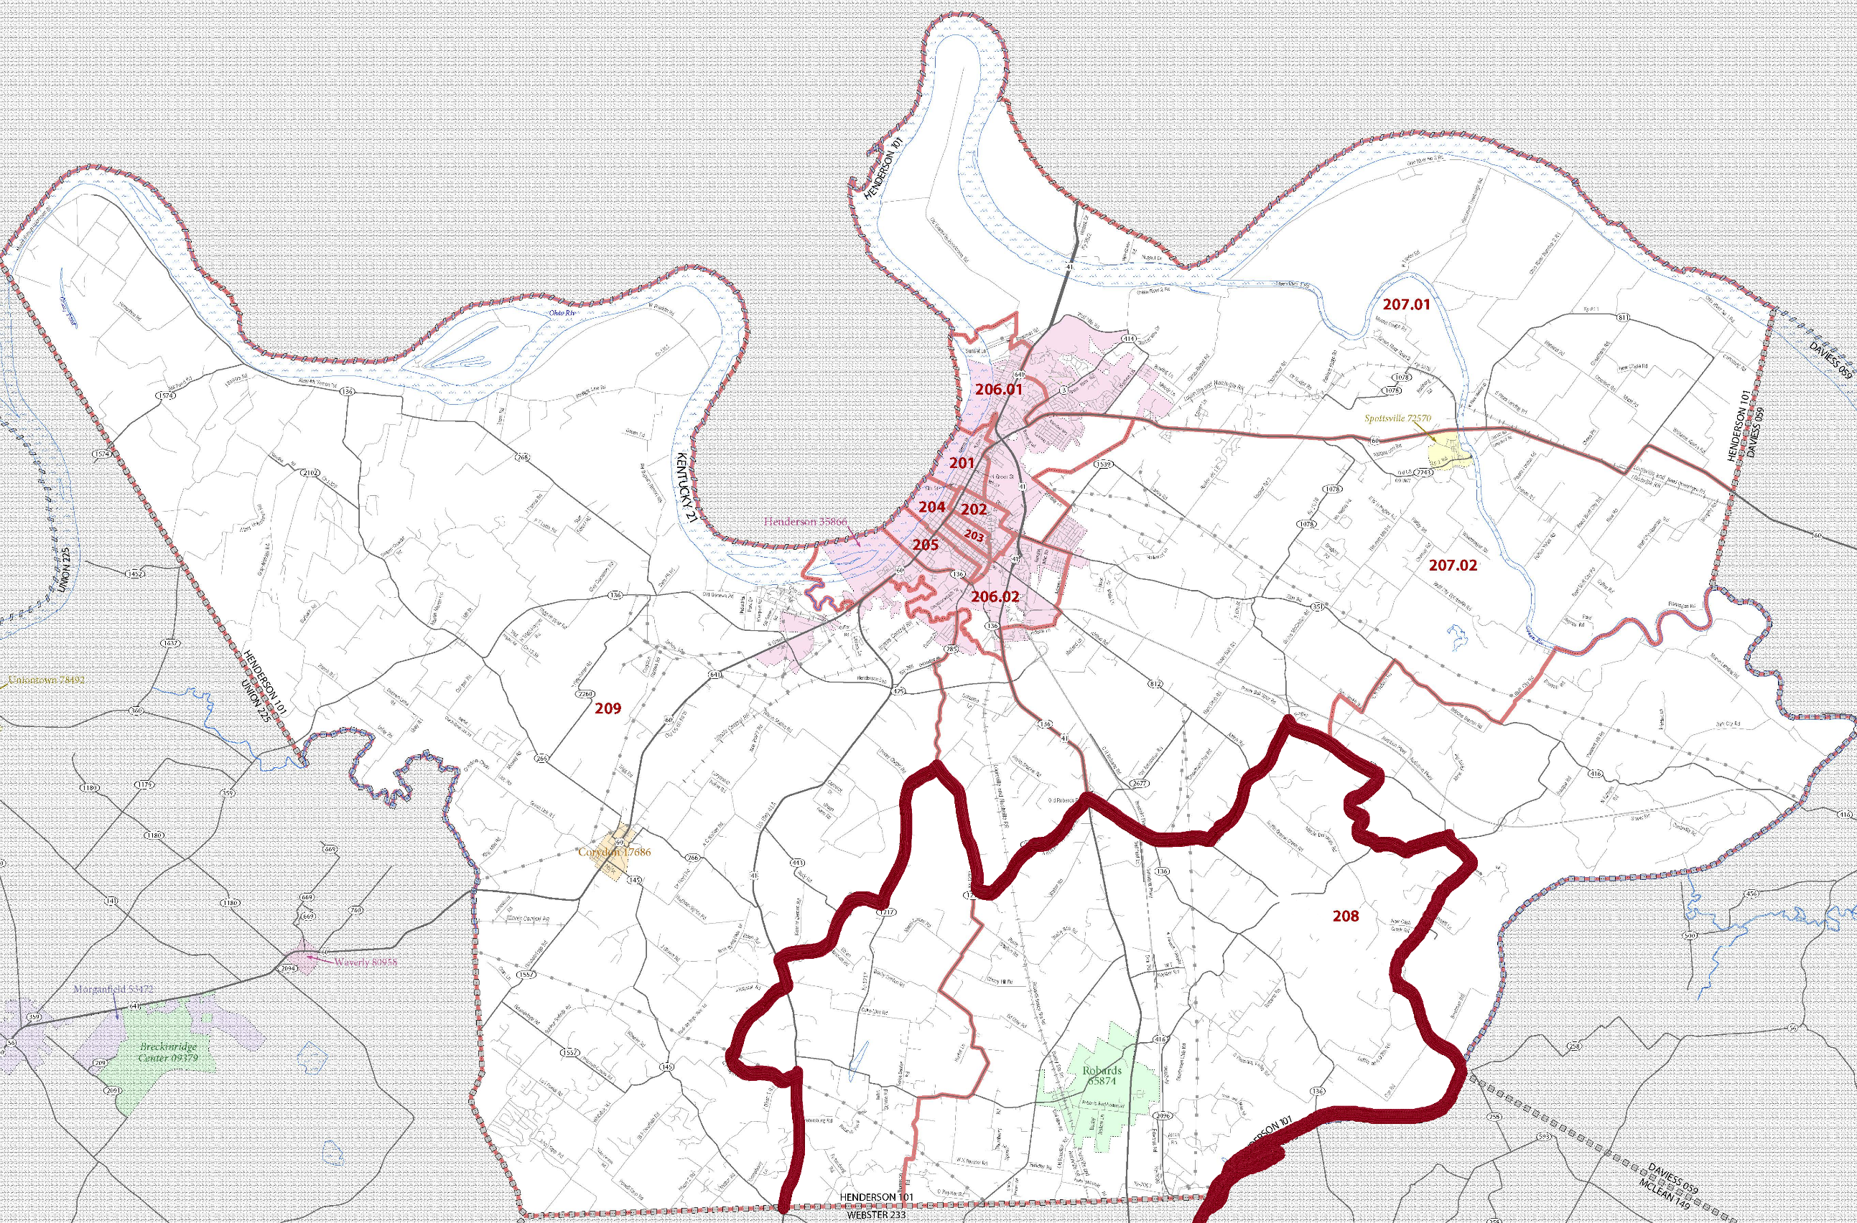
U.S. Census Bureau 2010 Data

Henderson, KY
UAID | Census Tracts | Population | Nonattainment Portion of Census Tract (%) | Adjusted Census Tract Population
459196 | Census Tract 201 | 1775 | n/a | n/a
459197 | Census Tract 202 | 1719 | n/a | n/a
459198 | Census Tract 203 | 1936 | n/a | n/a
459199 | Census Tract 208 | 4479 | 60% | 2687
459245 | Census Tract 205 | 2337 | n/a | n/a
459246 | Census Tract 204 | 2566 | n/a | n/a
459247 | Census Tract 206.01 | 6454 | n/a | n/a
459248 | Census Tract 206.02 | 5129 | n/a | n/a
459249 | Census Tract 209 | 7314 | 11% | 805
459250 | Census Tract 207.02 | 6633 | n/a | n/a
459251 | Census Tract 207.01 | 5908 | n/a | n/a
Total Henderson County Population |  | 46,250 |  | 3492

Nonattainment Apportionment Percentage (3492/46250) x 100 |  |  |  | 8%

Webster Population
U.S. Census Bureau 2010 Data

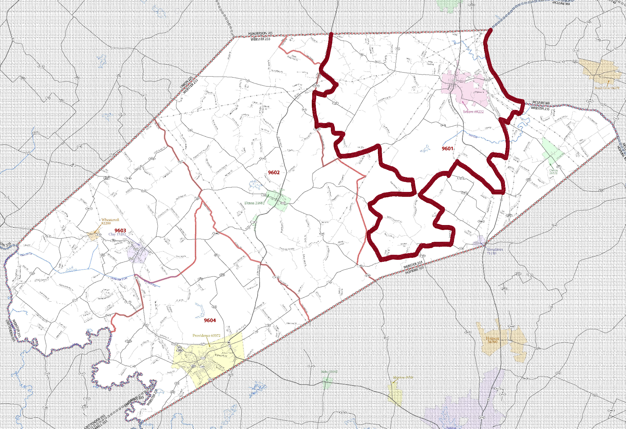
Webster, KY
UAID | Census Tracts | Population | Nonattainment Portion of Census Tract (%) | Adjusted Census Tract Population
459385 | Census Tract 9601 | 4,584 | 60% | 3,438
459386 | Census Tract 9604 | 3,996 | n/a | n/a
459387 | Census Tract 9602 | 2,606 | n/a | n/a
459388 | Census Tract 9603 | 2,435 | n/a | na
Total Webster County Population |  | 13,621 |  | 3,438

Nonattainment Apportionment Percentage (3,438/13,621) x 100 |  |  |  | 25%

